Bounce
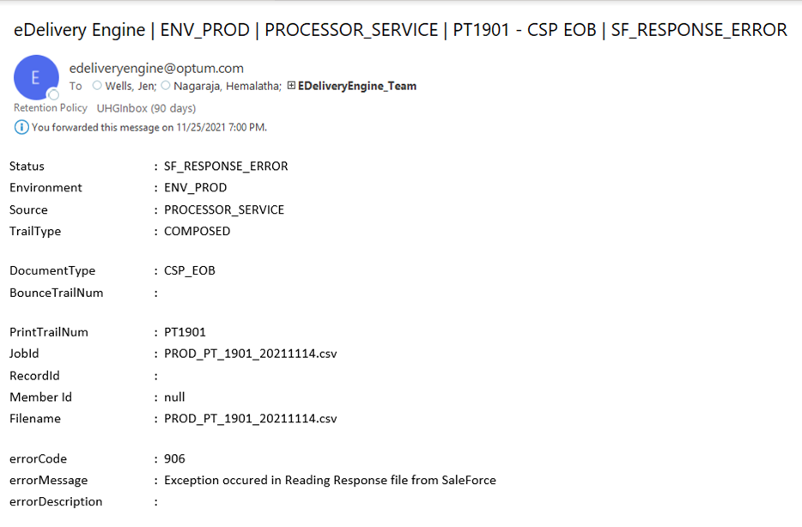
Test Case ID | Pre- requisite | Test Data | Scenario | Requirement ID/ User Story Number | Given | When | Then | Status | Comments | Defect ID | Defect Status | Priority | Part of Regression Suite | Test Case Complexity | Test Case Executed By | Test Case Executed Date | Input File from CSP
TC_001 | Input event should come from processor including record ID's , Bounce Trail number and emailSendStatus as Bounce, . | Input files with member records having -Member preference as 'E' -Incorrect email ID So that email notification should get bounce from salesforce | Kafka Event - Input event from processor to Bounce |  | Processor event gets completed | Processor drops an event to bounce | Assign Bounce_Letter_Code , Unique_ID_1 in the Bounce_Letter_Code Table . ( Unique_ID_1 should be fetched from GROUP_ID field from the event sent to Bounce. ) |  | Bounce_letter_code will be assigned by developer.
TC_002 | Datbase tables should be created for bounce service | Input files with member records having -Member preference as 'E' -Bounce receives an events for all bounced records | Bounce receives an event from processor |  | Bounce service gets emailSendStatus as Bounce | Processor drops an event to bounce | Validate that, - Input event contains records having emailSendStatus as Bounce -For given Job entry gets created in Bounce_job table with status as NEW and then ACTIVE when process starts -For given bounced records entry gets created in Bounce_record table with status as NEW and then INPROGRESS when process starts
TC_003 | * input file containg 8 records and will return final decision as 'E' *6 memebers out of 8 has incorrect email id | Input files with some member records having -EPMP preference as 'E' - 2 memebers received from input event in 1st 12 hours | Bounce request file validation |  | Bounce request file gets generated for all the memebers for one job_ID having emailSendStatus as Bounce | Bounce service is able to initiate request file to CDC containg all the memebers records | Validate that , Bounce request zip file gets created on below path for given job_id /edelivery/test/cdc/pt3639/outbox/bounce/ E.g -Zip file name - REQ_3639_20_20210224165604_TEST
TC_004 | * input file containg 8 records and will return final decision as 'E' *6 memebers out of 8 has incorrect email id | Input files with some member records having -EPMP preference as 'E' - 2 memebers received from input event in 1st 12 hours | Bounce request to CDC |  | Bounce request file gets generated for all the memebers for one job_ID having emailSendStatus as Bounce | Bounce service is able to initiate request file to CDC containg all the memebers records | "- Validate that in bounce_job table job entry gets created with state 'Active' - Validate that bounce_record table for the records entry gets created with record state as 'INPROGRESS'" | 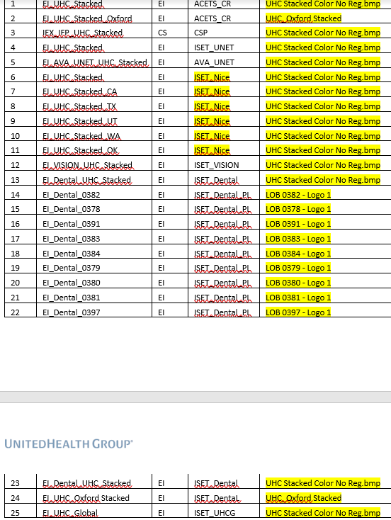
TC_005 | * input file containg 8 records and will return final decision as 'E' *6 memebers out of 8 has incorrect email id | Record table should be accessible with required data column values | Input files with member records having -Member preference as 'E' -Some records having emailSendStatus as Bounce and some has Success |  | Input event triggers to responder with status as 'INPROGRESS' | Bounce request file gets generated | Validate that , - Responder event get generated with status as 'INPROGRESS
TC_006 | Record table should be accessible with required data column values | Input files with member records having -Member preference as 'E' -Some records having emailSendStatus as Bounce and some has Success | Bounce request file validation |  | Processor event is completed | Bounce service will generate the Bounce request zip file based on metadata from records table | Validate the below filelds which are mandatory in the request file: - LTR CODE, MEMBER FIRST NAME, MEMBER LAST NAME, MEMBER MAIL ADDRESS 1, MEMBER MAIL ADDRESS 2, MEMBER MAIL ADDRESS CITY, MEMBER MAIL ADDRESS STATE, MEMBER MAIL ADDRESS ZIPCODE, MEMBER ID, GROUP ID, JOB ID, RECORD ID, PRINT TRAIL ID, BUSINESS NAME |  | Bounce_Letter_Code and LTR_Code are same.
TC_007 | Record table should be accessible with required data column values | Input files with member records having -Member preference as 'E' -Some records having emailSendStatus as Bounce and some has Success | Bounce request file validation |  | Bounce request zip file is created on CDC input location /edelivery/test/cdc/pt3609/outbox/bounce/ | Bounce request zip file contains csv file E.g. - REQ_3639_20_PART001_20210224165604_TEST.csv | Validate that , - Zip file contains csv file - File name follows below conventions REQ_BounceLetterTrailID_BounceIDFromBounce_jobTable_PART001(In case of large number of records)_YYYYMMDDHHMMSS_ENV.csv
TC_009 | *SF response might come in distributed manner like below **2 memebers SF response comes in 1st 12 hours **2 memebers SF response in 2nd 12 hours **2 memebers SF response in 3rd 12 hours | Input files with member records having -Member preference as 'E' -Some records having emailSendStatus as Bounce and some has Success | Bounce response file validation |  | Response file is received from CDC/shutterfly. It comes in distributed manner. There will be more files for one request file in response. | Bounce drops an event to Responder topic with status as COMPLETED | For each response file: "Validate that response file contains below data LTR_CODE|STATE_INDICATOR|MEMBER_FIRST_NAME|MEMBER_LAST_NAME|MEMBER_MAIL_ADDRESS1|MEMBER_MAIL_ADDRESS2|MEMBER_MAIL_ADDRESS_CITY|MEMBER_MAIL_ADDRESS_STATE|MEMBER_MAIL_ADDRESS_ZIP_CODE|MEMBER_ID|GROUP_ID|LANGUAGE_PREFERENCE|CONTRACT_PBP|JOB_ID|RECORD_ID|STATUS|PRINT_MAIL_DATE|PRINT_TRAIL_ID|BUSINESS_NAME|PASS_THRU_INFO|"
TC_010 | ECG output path to drop Response from CDC should be configured | Input files with member records having -Member preference as 'E' -Some records having emailSendStatus as Bounce and some has Success | Bounce response from CDC |  | CDC drops response file on below path /edelivery/test/CDC/pt3609/inbox/bounce | Response file from CDC is available for given request in zipped document E.g -RESP_3639_55_20210702043233_SUCCESS_TEST.ZIP | Validate that, - Response zip file name is in below format RESP_BounceTrailID_BounceIDFromBounce_jobTable__ MMDDYYYYHHMMSS_Response status _TEST.zip - Validate that zip file contains .csv file in below name format RESP_BounceTrailID_BounceIDFromBounce_jobTable__PART001_ MMDDYYYYHHMMSS_TEST.csv
TC_011 | ECG output path to drop Response from CDC should be configured | Input files with member records having -Member preference as 'E' -Some records having emailSendStatus as Bounce and some has Success | Bounce response from CDC |  | CDC drops response file for above request file | CDC drops response file for THE members per job_id on below path /edelivery/test/CDC/pt3609/inbox/bounce | Validate , - |STATUS|PRINT_MAIL_DATE| E.g - Status - SUCCESS/INVALID/VALID - Bounce will trigger an event to responder for the memebers data with status as 'COMPLETED'
TC_012 | *SF response should come in distributed manner like below **2 memebers SF response comes in 1st 12 hours **2 memebers SF response in 2nd 12 hours **2 memebers SF response in 3rd 12 hours | Input files with member records having -Member preference as 'E' -Some records having emailSendStatus as Bounce and some has Success | Bounce response from CDC |  | CDC drops response file for above request file | CDC drops response file for THE members per job_id on below path /edelivery/test/CDC/pt3609/inbox/bounce | "-Job status in Bounce_table is updated as Completed, once all the response files reach the Inbox in Bounce Service. - Bounce_record table gets updated with status as COMPLETE for the memebrs received in response with all applicable timestamp values"
TC_013 | Kafka responder topic should be available to drop an event | Input files with member records having -Member preference as 'E' -Some records having emailSendStatus as Bounce and some has Success | Bounce response from CDC |  | CDC drops response file for above request file | CDC drops response file for THE members per job_id on below path /edelivery/test/CDC/pt3609/inbox/bounce | Bounce will trigger an event to responder for the memebers data with status as 'COMPLETED'
TC_014 |  |  | Validate email |  | Email is received for control event and success event from Responder | Email is sent | Validate the email response : 'status' column in responder job table should be set to Completed upon receival of Bounce service events. Validate in email, the following fields were displayed. Status Environment Source -Bounce_service JobId FileName TotalRecordCount TrailNum TrailType Start Time Finish Time Elapsed Time
TC_015 |  |  | Validate email |  | Email is received for control event and error event from Responder | Email is sent | Validate the email response : 'status' column in responder job table should be set to Failed upon receival of Bounce service events. Validate in email, the following fields were displayed. Status Environment Source -Bounce_service JobId FileName TotalRecordCount TrailNum TrailType Start Time Finish Time Elapsed Time errorCode errorMessage errorDescription manualRetryRequired
TC_016 | Incorrect cdc request path provided in config file | Mockup errored input file | File upload to ECG Failed |  | CDC request path is not accessible | CDC request file is not accessible on below path due to access denied issue "ECG": "/edelivery/test/cdc/pt3639/outbox/bounce/" | Validate That, Exception is thrown in application logs as well as in Process logs Status is marked as Failed for curresponding job in Bounce_job table respectively Msg column should display the appropriate reason of failure in bounce_job table
TC_017 | Twik the system to produce and error scenario |  | 602 SQL Exception |  | SQL exception is encountered | Bounce workflow is in process | Validate Process Logs is updated with error code as "602" and error Message as "Database Operation Failure" along with Job Id and other fields |  |  |  |  |  |  |  |  |  | Chandra
TC_018 | Twik the system to produce and error scenario |  | Validate Application logs and bounce tables |  | Encounter Kafka connectivity exception | Bounce workflow is in process | Validate Application logs should report the same and job and record should mark as Failed in Bounce_job and Bounce_record table
TC_019 | Twik the system to produce and error scenario |  | Kafka Exception |  | Encounter Kafka connectivity exception | Bounce workflow is in process | Validate Process Logs is updated with error code as "801" and error Message as "Kafka Connectivity Failure" along with Job Id and other fields
TC_020 | Twik the system to produce and error scenario |  | Validate Responder service |  | When any exception occurs in Bounce | Bounce updates the exception to Responder service | Validate Bounce is sending Kafka event to Responder service in the Process Logs EventData : { "JobId" : "", "StageTrailNumber" : "PT3670", "ProdTrailNumber" : "PT3670", "BounceTrailNumber" : "PT3639", "TrailType" : "COMPOSED", "EventTimestamp" : "", "EventType" : "BOUNCE_REQ_RESPONDER", "EventSource" : " BOUNCE_ SERVICE ", "EventDestination" : " RESPONDER_ SERVICE ", "DocumentType" : "ELGS_PNS", "Environment" : "TEST", "HOST" : "", “ErrorType” : "", “ErrorClassName” : "", “ErrorMethodName” : "", “ErrorLineNumber” : "", “ErrorStackTrace” : "", “ErrorMessage” : "", } |  |  |  |  |  |  |  |  |  | Chandra

